Heating Value Calculator
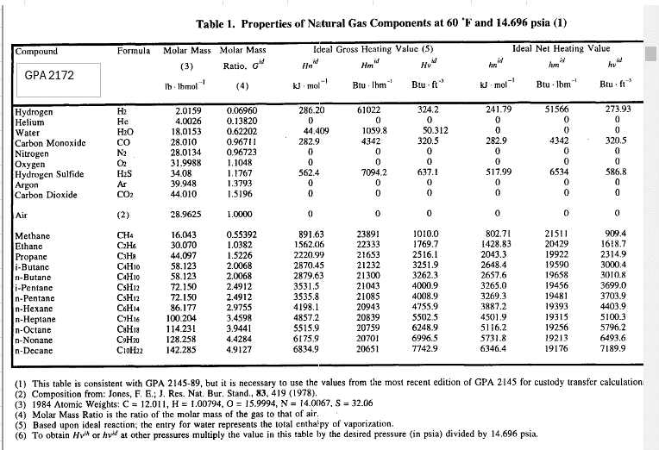
Standard Pressure (psia) | 14.696 |  |  | Standard Pressure (psia) | 14.7346
Standard Temperature (°F) | 60 |  |  | Standard Temperature (°F) | 60

You have to adjust for to 30 in HG
Inficon Natural Gas Calibration ~1046 |  |  |  | Inficon Natural Gas Calibration ~1046
Component Name | Percentage | HHV (BTU/cuft) | HHV Contribution | Component Name | Percentage | HHV (BTU/cuft) | HHV Contribution
Nitrogen | 1.4300% | 0.00 | 0.00 | Nitrogen | 1.4300% | 0.00 | 0.00
Carbon Dioxide | 0.4600% | 0.00 | 0.00 | Carbon Dioxide | 0.4600% | 0.00 | 0.00
Oxygen | 0.2400% | 0.00 | 0.00 | Oxygen | 0.2400% | 0.00 | 0.00
Ethane | 2.9700% | 1769.70 | 52.56 | Ethane | 2.9700% | 1769.00 | 52.54
Propane | 0.7400% | 2516.10 | 18.62 | Propane | 0.7400% | 2516.00 | 18.62
Iso-Butane | 0.1500% | 3251.90 | 4.88 | Iso-Butane | 0.1500% | 3273.00 | 4.91
Butane | 0.1700% | 3262.30 | 5.55 | Butane | 0.1700% | 3268.00 | 5.56
Iso-Pentane | 0.0000% | 4000.90 | 0.00 | Iso-Pentane | 0.0000% | 4009.00 | 0.00
Pentane | 0.0000% | 4008.90 | 0.00 | Pentane | 0.0000% | 3990.00 | 0.00
Hexane | 0.0000% | 4755.90 | 0.00 | Hexane | 0.0000% | 4830.00 | 0.00
Heptane | 0.0000% | 5502.50 | 0.00 | Heptane | 0.0000% | 5550.00 | 0.00
Methane | 93.8400% | 1010.00 | 947.78 | Methane | 93.8400% | 1010.00 | 947.78
Total (%) | 100.00% |  |  | Total (%) | 100.00%

Est. Higher Heating Value (BTU/cuft) |  |  | 1029.39 | Est. Higher Heating Value (BTU/cuft) |  |  | 1032.11

